Cover
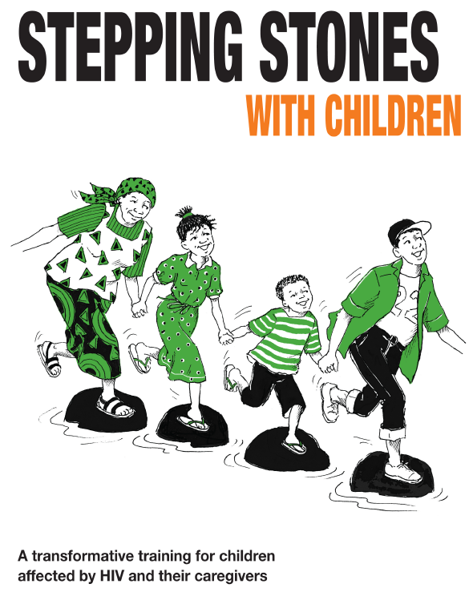
This spreadsheet is to be used with the Stepping Stones with Children training manual published by Practical Action Publishing, 2016.
It sets out all the questions we asked of each peer group at each stage of the evaluation (baseline, midline, endline and follow up).
You can download the related M&E materials from www.steppingstonesfeedback.org
Stepping Stones & Stepping Stones Plus, and Stepping Stones with Children are programmes created and supported by Salamander Trust, www.salamandertrust.net
Stepping Stones with Children was created by Salamander Trust with PASADA and funded by Comic Relief.
© This spreadsheet: Salamander Trust 2017

