Cover

This spreadsheet is to be used with the Stepping Stones with Children training manual published by Practical Action Publishing, 2016.
It is for inputting the data which you will gather if you use the Stepping Stones with Children M&E tools: see Instructions tab for guidance about how to use it.
You can download the related M&E materials from www.steppingstonesfeedback.org
Stepping Stones & Stepping Stones Plus, and Stepping Stones with Children are programmes created and supported by Salamander Trust, www.salamandertrust.net
Stepping Stones with Children was created by Salamander Trust with PASADA and funded by Comic Relief.
© This spreadsheet: Salamander Trust 2017

Instructions
Welcome!
This spreadsheet is ready for you to enter your quantitative data, if you use the Stepping Stones with Children M&E tools. (You will need to record qualitative data elsewhere.)
You may wish to adapt the M&E tools before using them, in which case you will also need to adapt this sheet (it is not protected so that you can edit it easily).
There is a tab for each of the baseline, midline and endline data points. Within each of these there are columns for the male and female younger children, older children and caregivers.
When you add data to the baseline, midline or endline tabs the mean scores automatically appear in the BME SUMMARY tab.
Most of the rows in the baseline, midline and endline tabs relate to the questionnaires, but some take their data from the facilitators' journals and from exercises done in sessions or at midline, endline or follow up. If the source of the data is not the questionnaire then the source is written in orange italics like this.
There are also 3 tabs for quantitative data which could not be fitted in to the baseline, midline and endline tabs because the peer groups generate their own categories for these questions. They are:
~ | Supporting each other (quanitifying social social support), conducted at baseline and follow up;
~ | Hopes and fears, scored at midline and endline, against hopes and fears first expressed at the beginning of the workshop;
~ | Hoped for changes, scored at endline and follow up, against changes identified at midline and endline.
If you gather data from more than one community you can use a spreadsheet for each community and then create another spreadsheet which links them all, to analyse the data from all the communities.
Before filling any data
1 | Save a copy of this file and unprotect each tab so that you can enter data (Review/Unprotect sheet)
2 | Add the community's name and date of data collection to cells A1 & A2.
3 | Use the filled in questionnaires to find out the maximum number of female and male respondents for each peer group (the total of males or females should be written on the front of each questionnaire).
4 | Adjust the number of columns for each peer group to accommodate the number of respondents.
 | Note: when adding or deleting columns do so in the middle of the range, not at the start or end (e.g. for the young girls, not at column B or K) in order that the formula adjust correctly (e.g. in columns L & M)
 | For example, to add a column to increase the number of young girls from 10 to 11 put your cursor on any column letter from C to J, then right click/insert. To repeat the same action press the function key F4.
When inputting data
The data you are entering for Parts A, B and C of the questionnaires should always be a whole number between 1 and 5:
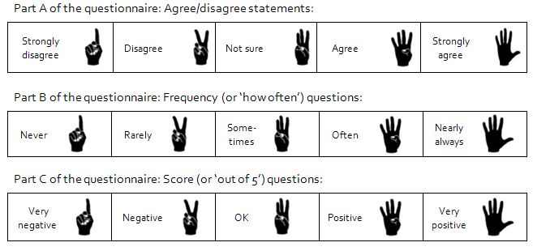

For Part D questions enter the total number of female and male respondents answering 'yes', 'no' or 'not sure'.
In Part E the data for the question about medicine (row 93) should be a whole number between 0 and 7.
In Part F for the data about assertiveness (rows 95-103) enter the total number of female and male respondents answering 'most of the time', 'some of the time' and 'rarely'.
More than 10
There are a few questions where respondents could signal any number from 1 to 10 and 'more than 10'. Facilitators were asked to record this as "10+". You could enter "10+" as 11, or use a higher number if your knowledge of the community suggests that e.g. 13 would be a reasonable estimate. Alternatively alter the questions in the questionnaire so that the maximum that repondents can say is 10.
Grey shading
Cells filled with light grey are places where there is no data to enter e.g. the statement If my child was being bullied I would be able to help them deal with it is never asked of the children's peer groups and so is filled grey for the children's columns.
When a question is not asked of anyone at that stage (e.g. I know about puberty and am ready for the changes it brings is not asked of any group at the midline) the whole row is hidden (and shaded in grey). (If you wanted to reveal those hidden rows highlight where the rows are missing and use right click/unhide).
If you find any errors in this spreadsheet please tell us so that we can correct them! Email us using enquiries@steppingstonesfeedback.org Please also share your evaluation findings with us and the Stepping Stones Community of Practice.

